Supporting Statements
Share Repurchase Programs

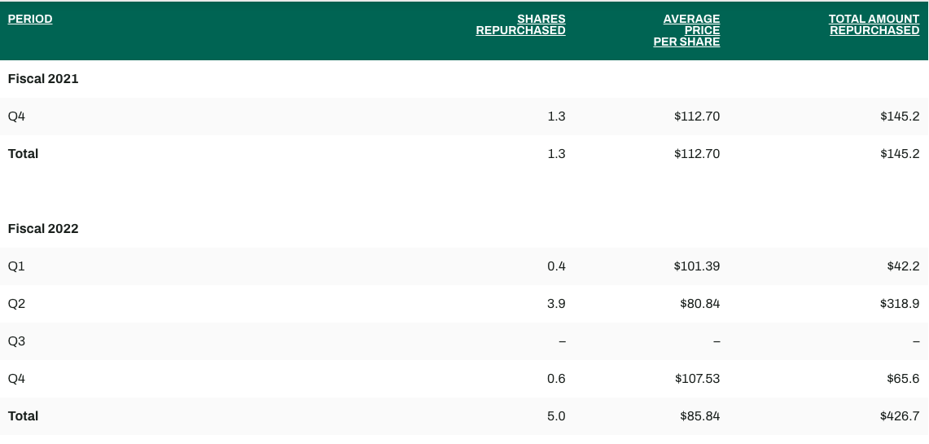

https://investors.dicks.com/stock-information/dividends-splits-and-repurchases/default.aspx

https://stockanalysis.com/stocks/dks/forecast/

Valuation
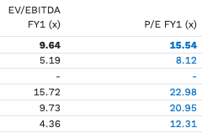
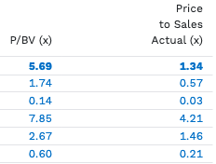
Financial Comparables

 |  |  |  | TTM | FY1 |  |  | TTM | TTM | FY1
 |  | Market | Enterprise | Price / | Price / | Price / |  | Price / | EV / | EV /
Company | Ticker | Cap | Value | Earnings | Earnings | Sales | EV /Sales | Book | EBITDA | EBITDA

Dick's Sporting Goods | DKS | 18,193 | 18,219 | 15.5x | 15.5x | 1.3x | 1.3x | 5.7x | 9.5x | 9.64
Greater than Median? |  |  |  | Yes | No | Yes | Yes | Yes | Yes | Yes

Academy Sports and Outdoors, Inc. | ASO | 3,452 | 3,642 | 7.9x | 8.1x | 0.6x | 0.6x | 1.7x | 5.2x | 5.2x
Big 5 Sporting Goods Corporation | BGFV | 24 | 33 | -0.4x | N/A | 0.0x | 0.1x | 0.1x | N/A | N/A
Deckers Outdoor Corporation | DECK | 20,771 | 18,530 | 22.1x | 23.0x | 4.2x | 3.8x | 7.9x | 15.1x | 15.7x
Columbia Sportswear Company | COLM | 4,725 | 3,909 | 21.8x | 21.0x | 1.5x | 1.1x | 2.7x | 12.1x | 9.7x
Foot Locker, Inc. | FL | 1,772 | 1,853 | -4.0x | 12.3x | 0.2x | 0.3x | 0.6x | 5.5x | 4.4x

Minimum |  | 24 | 33 | -4.04x | 8.12x | 0.03x | 0.05x | 0.14x | 5.19x | 4.36x
First Quartile |  | 1,772 | 1,853 | -0.36x | 11.26x | 0.21x | 0.25x | 0.60x | 5.39x | 4.98x
Median |  | 3,452 | 3,642 | 7.88x | 16.63x | 0.57x | 0.60x | 1.74x | 8.79x | 7.46x
Mean |  | 6,149 | 5,593 | 9.47x | 16.09x | 1.30x | 1.17x | 2.60x | 9.47x | 8.75x
Third Quartile |  | 4,725 | 3,909 | 21.80x | 21.46x | 1.46x | 1.14x | 2.67x | 12.87x | 11.23x
Maximum |  | 20,771 | 18,530 | 22.09x | 22.98x | 4.21x | 3.81x | 7.85x | 15.11x | 15.72x

Updated Valuation Spread
Dick's Sporting Goods, Inc. (DKS)
Football Field Analysis

52-Week Low/High |  | $176 | 79 | $255
2024 EBITDA DCF (9.3x - 15.4x) |  | $153 | 119 | $272
2024 P/E Comps (12.0x - 20.0x) |  | $146 | 97 | $244
2024 EV / EBITDA Comps (9.3x -15.4x) |  | $199 | 128 | $328
DO NOT EDIT |  |  |  | DO NOT EDIT

 | Valuation | Range |  | Valuation | Range
Type | Methodology | Low | High | Selection | Low | Difference | High

Market (Hardcode) | 52-Week Low/High | $176 | $255 | 52-Week Low/High | $176 | 79 | $255
DCF (Do it on the Income Statement Tab and Hardcode) | 2024 EBITDA DCF (9.3x - 15.4x) | $153 | $272 | 2024 EBITDA DCF (9.3x - 15.4x) | $153 | 119 | $272
Comparables | 2024 P/E Comps (12.0x - 20.0x) | $146 | $244 | 2024 P/E Comps (12.0x - 20.0x) | $146 | 97 | $244
Comparables | 2024 EV / EBITDA Comps (9.3x -15.4x) | $199 | $328 | 2024 EV / EBITDA Comps (9.3x -15.4x) | $199 | 128 | $328

EDIT

 | Valuation | Range
Type | Methodology | Low | High
Comparables | 2024 P/E Comps | 12.0x | 20.0x
Comparables | 2024 EV / EBITDA Comps | 9.3x | 15.4x

NWC Calculation Instructions
Instructions
Each company has a different way of calculating Net Working Capital (NWC) according to its operation, so please make sure your formula matches the company's. Below are some instructions on how to navigate this

Step 1 | Go to the Cash Flow Statement on the 10-k and navigate something like "Changes in Working Capital" or "Changes in operating assets and liabilities". Please see below for an example:

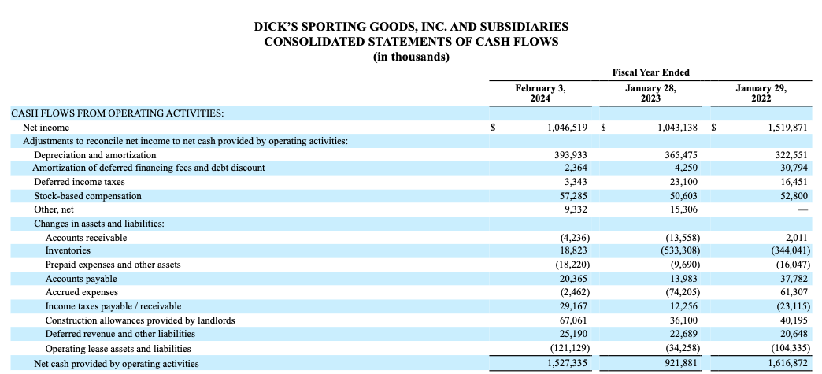

Step 2 | Once you have navigated the items in the Changes in NWC formula, make sure you include them in your Balance Sheet and your NWC calculation. For example, in this case, the NWC calculation would be (Accounts Receivable and Contract Assets + Prepaid Expenses and other assets) - (Accounts Payable + Accrued Expenses and other current expenses and other current liabilities + Other long-term liabilities)

If your company does not break down the balance sheet in accordance with how it breaks down the Changes in NWC calculation, you can keep the Operating Working Capital calculation in the template, and
link your Changes in NWC from the Cash Flow Statement

